Hoja1
BUS PSD | ADDON CONECTOR TERASIC (SOCKIT) | rev. 4
 |  |  |  |  | ps2 keyb
 | Listado de conectores en placa |  |  |  | ps2 mouse
 | 1 PS2 COMBINADO - TECLADO + RATÓN |  |  |  | uart
 | 1 DB9 - Joystick (comparte pines con USER IO) (**) |  |  |  | db9/usb3
 | 1 USB3 (USERIO) - MiSTer dongles (pimidi, neogeo, ...) (**) |  |  |  | SD/pmod
 | 1 PMOD1 12p - SD card PMOD |  |  |  | i2s
 | 1 PMOD2 6p - DETO (comparte pines con PMOD3) (***) |  |  |  | i2c
 | 1 PMOD3 12p(dob) - AUDIO + 1p I2C (I2S) + DETO (***) (****) |  |  |  | let/butt
 | 1 PMOD4 12p(dob) - UART Rx/Tx/CTS/RTS + PIMIDI // UART Rx/Tx + SPI 6 pin (multicore) (*) |  |  |  | 4 spare
 | 1 HEADER 5 pin - UART Rx/Tx/CTS/RTS (comparte pines con PMOD4) (*)
 | 1 HEADER 3 PIN - I2C/TAPE IN (comparte 1p con PMOD3) (****)

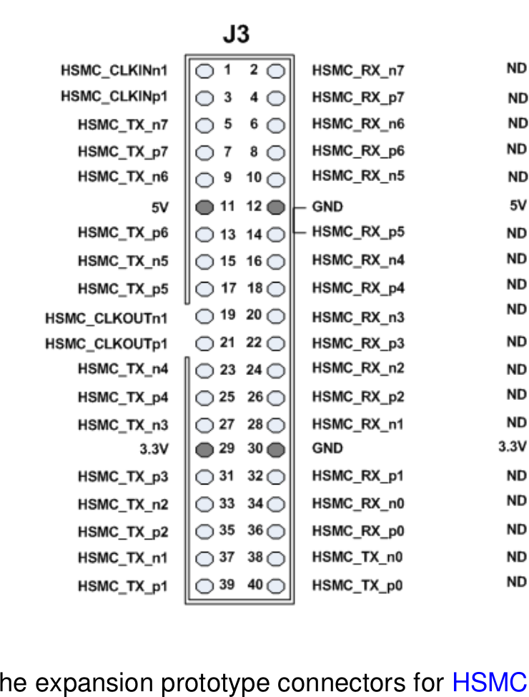
 |  | SHARED PINS
 | PS2 / UART Rx-Tx (6 pins) (sockit demistify)
79 | HSMC J3 connector pin 1; PS2_KEYBOARD_CLK; //HSMC_CLKIN_n1 PIN_AB27
80 | HSMC J3 connector pin 2; PS2_KEYBOARD_DAT; //HSMC_RX _n[7] PIN_F8
77 | HSMC J3 connector pin 3; PS2_MOUSE_CLK; //HSMC_CLKIN_p1 PIN_AA26
78 | HSMC J3 connector pin 4; PS2_MOUSE_DAT; //HSMC_RX _p[7] PIN_F9
75 | HSMC J3 connector pin 5; UART_RXD; //HSMC_TX _n[7] PIN_B3
76 | HSMC J3 connector pin 6; UART_TXD; //HSMC_RX _n[6] PIN_G8

 | JOYSTICK DB9 / USER IO (7 pins) (JOY sockit demistify) (USER IO MiSTer framework) [DB9] [USB3]
73 | HSMC J3 connector pin 7 JOY1_B2_P9; HSMC_TX _p[7] PIN_C3 USER_IO[6] (sega C)
74 | HSMC J3 connector pin 8 JOY1_B1_P6; HSMC_RX _p[6] PIN_H8 USER_IO[2] (sega B)
71 | HSMC J3 connector pin 9 JOY1_UP; HSMC_TX _n[6] PIN_D4 USER_IO[1]
72 | HSMC J3 connector pin 10 JOY1_DOWN; HSMC_RX _n[5] PIN_H7 USER_IO[0]

 | HSMC J3 connector pin 11 POWER PIN 5V
 | HSMC J3 connector pin 12 POWER PIN GND

69 | HSMC J3 connector pin 13 JOY1_LEFT; HSMC_TX _p[6] PIN_E4 USER_IO[5]
70 | HSMC J3 connector pin 14 JOY1_RIGHT; HSMC_RX _p[5] PIN_J7 USER_IO[3]
67 | HSMC J3 connector pin 15 JOYX_SEL_O; HSMC_TX _n[5] PIN_E2 USER_IO[4]

 | SD CARD / PMOD (8 pins) (8p sockit demistify) (7p for mister framework SDIO 2nd SD + SDCD_SPDIF) [PMOD1]
68 | HSMC J3 connector pin 16 / PMOD3[0]; HSMC_RX _n[4] PIN_K8 SDIO_DAT[3] [CS]
65 | HSMC J3 connector pin 17 / PMOD3[1]; HSMC_TX _p[5] PIN_E3 SDIO_CMD [MOSI]
66 | HSMC J3 connector pin 18 / PMOD3[2]; HSMC_RX _p[4] PIN_K7 SDIO_DAT[0] [MISO]
63 | HSMC J3 connector pin 19 / PMOD3[3]; HSMC_CLKOUT_n1 PIN_E6 SDIO_CLK [SCK]
64 | HSMC J3 connector pin 20 / PMOD3[4]; HSMC_RX _n[3] PIN_J9 SDIO_DAT[1]
61 | HSMC J3 connector pin 21 / PMOD3[5]; HSMC_CLKOUT_p1 PIN_E7 SDIO_DAT[2]
62 | HSMC J3 connector pin 22 / PMOD3[6]; HSMC_RX _p[3] PIN_J10 SDCD_SPDIF
59 | HSMC J3 connector pin 23 / PMOD3[7]; HSMC_TX _n[4] PIN_C4 --> not used in MiSTer | PIMIDI_B4_DAT | MISTEX_FPGA_EN | PMOD6 _8

 | AUDIO / I2S (3 pins) (for MiSTer framework, SW0 changes function to I2S) [PMOD3]
60 | HSMC J3 connector pin 24 HSMC_RX _n[2] PIN_F10 AUDIO_SPDIF | PiMiDi WSBD | PMOD I2S LRCLK
57 | HSMC J3 connector pin 25 HSMC_TX _p[4] PIN_D5 AUDIO_L | PiMiDi CLKBD | PMOD I2S SCLK
58 | HSMC J3 connector pin 26 HSMC_RX _p[2] PIN_G10 AUDIO_R | PiMiDi DABD | PMOD I2S DIN

 | I2C / AUDIO (2 pins) (MiSTer framework, MCP23009 I2C 8 bit IO expander x Digital IO board (buttons, leds)) [PMOD3]
55 | HSMC J3 connector pin 27 HSMC_TX _n[3] PIN_C5 IO_SCL | PiMiDi SCL | Display I2C
56 | HSMC J3 connector pin 28 HSMC_RX _n[1] PIN_J12 IO_SDA | PiMiDi SDA | Display I2C

 | HSMC J3 connector pin 29 POWER PIN 3V3
 | HSMC J3 connector pin 30 POWER PIN GND

 | LEDS / BUTTONS (6 pins) (MiSTer framework) [ + UART Rx-Tx for multicore PMOD4]
53 | HSMC J3 connector pin 31 HSMC_TX _p[3] PIN_D6 LED_USER |  |  |  | UART CTS
54 | HSMC J3 connector pin 32 HSMC_RX _p[1] PIN_K12 LED_HDD | PIMIDI_B3_CLK | MISTEX_RESET | PMOD6 _7 | UART RTS
51 | HSMC J3 connector pin 33 HSMC_TX _n[2] PIN_F6 LED_POWER |  | PMOD I2S MCLK
52 | HSMC J3 connector pin 34 HSMC_RX _n[0] PIN_G11 BTN_USER | PiMiDi BUT5 | MISTEX_IO_EN | PMOD6 _10
49 | HSMC J3 connector pin 35 HSMC_TX _p[2] PIN_G7 BTN_OSD | PiMiDi BUT1 | MISTEX_OSD_EN | PMOD6_9
50 | HSMC J3 connector pin 36 HSMC_RX _p[0] PIN_G12 prov. BTN_RESET | PiMiDi BUT2

 | DETO PMOD: UART / SPI / I2S / Sigma-Delta … (4 pins) (sockit demistify) [PMOD2] [PMOD3]
47 | HSMC J3 connector pin 37 HSMC_TX _n[1] PIN_D7 – PMOD5_1 | PIMIDI_MIDI_IN(Rx) | MISTEX_CS | PMOD6 _1
48 | HSMC J3 connector pin 38 HSMC_TX _n[0] PIN_A8 – PMOD5_2 | PIMIDI_OUT (Tx) | MISTEX_MOSI | PMOD6 _2
45 | HSMC J3 connector pin 39 HSMC_TX _p[1] PIN_E8 – PMOD5_3 |  | MISTEX_MISO | PMOD6 _3
46 | HSMC J3 connector pin 40 HSMC_TX _p[0] PIN_A9 – PMOD5_4 |  | MISTEX_SCLK | PMOD6 _4

